Sheet1
 |  |  |  |  | SIM-KS2.UDP TÜKETİM RAPORU (Kwh)

Data Warnings

 |  | Message |  |  |  |  |  |  | Date Added
 |  | Data was not available for some of the selected source and measurement combinations. |  |  |  |  |  |  | 10/31/2023 11:39:05 PM
 |  | One or more gaps were detected in data used for this report. |  |  |  |  |  |  | 10/31/2023 11:39:00 PM

 |  | Usage Summary

 |  | Source | Real Energy (kWh)
 |  |  | January 2023 |  |  | February 2023 |  | March 2022 |  | March 2023 | April 2022 | April 2023 | May 2022 | May 2023 | June 2022 | June 2023 | July 2022 | July 2023 | August 2022 | August 2023 | September 2022 | September 2023 | October 2022 | October 2023 | November 2022 | December 2022
 |  | SIM-KS2 UDP | 50,157.73 |  |  | 45,338.24 |  | 42,681.31 |  | 50,638.38 | 43,522.31 | 48,804.75 | 47,319.60 | 50,572.88 | 47,513.81 | 48,777.00 | 48,702.75 | 50,391.13 | 49,126.59 | 51,362.00 | 47,535.83 | 50,106.25 | 50,139.11 | 50,464.38 | 48,582.21 | 50,219.63
 |  | Total | 50,157.73 |  |  | 45,338.24 |  | 42,681.31 |  | 50,638.38 | 43,522.31 | 48,804.75 | 47,319.60 | 50,572.88 | 47,513.81 | 48,777.00 | 48,702.75 | 50,391.13 | 49,126.59 | 51,362.00 | 47,535.83 | 50,106.25 | 50,139.11 | 50,464.38 | 48,582.21 | 50,219.63

 |  | Relative Usage Column Chart

 |  | 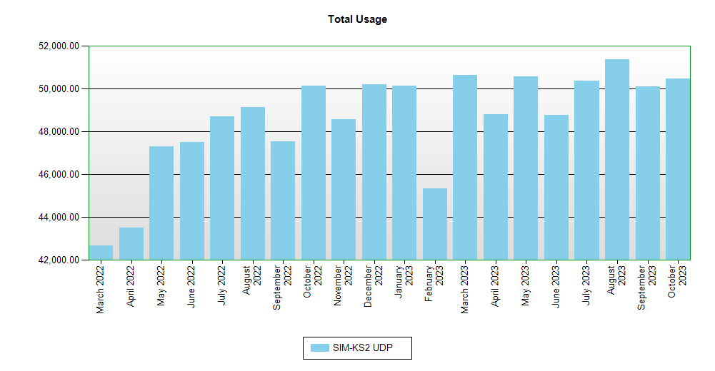

 | Interval Usage Data

 |  | Period : January 2023 Interval : Day of Month |  | SIM-KS2 UDP |  |  | Interval Total
 |  | 1 |  | 1,620.53 |  |  | 1,620.53
 |  | 2 |  | 1,620.53 |  |  | 1,620.53
 |  | 3 |  | 1,620.53 |  |  | 1,620.53
 |  | 4 |  | 1,620.53 |  |  | 1,620.53
 |  | 5 |  | 1,620.53 |  |  | 1,620.53
 |  | 6 |  | 1,620.53 |  |  | 1,620.53
 |  | 7 |  | 1,620.53 |  |  | 1,620.53
 |  | 8 |  | 1,620.53 |  |  | 1,620.53
 |  | 9 |  | 1,620.53 |  |  | 1,620.53
 |  | 10 |  | 1,620.53 |  |  | 1,620.53
 |  | 11 |  | 1,620.53 |  |  | 1,620.53
 |  | 12 |  | 1,620.53 |  |  | 1,620.53
 |  | 13 |  | 1,609.28 |  |  | 1,609.28
 |  | 14 |  | 1,614.91 |  |  | 1,614.91
 |  | 15 |  | 1,603.65 |  |  | 1,603.65
 |  | 16 |  | 1,620.53 |  |  | 1,620.53
 |  | 17 |  | 1,620.53 |  |  | 1,620.53
 |  | 18 |  | 1,620.53 |  |  | 1,620.53
 |  | 19 |  | 1,614.91 |  |  | 1,614.91
 |  | 20 |  | 1,614.91 |  |  | 1,614.91
 |  | 21 |  | 1,620.53 |  |  | 1,620.53
 |  | 22 |  | 1,620.53 |  |  | 1,620.53
 |  | 23 |  | 1,620.53 |  |  | 1,620.53
 |  | 24 |  | 1,620.53 |  |  | 1,620.53
 |  | 25 |  | 1,620.53 |  |  | 1,620.53
 |  | 26 |  | 1,609.28 |  |  | 1,609.28
 |  | 27 |  | 1,620.53 |  |  | 1,620.53
 |  | 28 |  | 1,614.91 |  |  | 1,614.91
 |  | 29 |  | 1,603.65 |  |  | 1,603.65
 |  | 30 |  | 1,620.53 |  |  | 1,620.53
 |  | 31 |  | 1,620.53 |  |  | 1,620.53
 |  | Period Totals |  | 50,157.73

